Sheet 1 - Marvellous Infosystem
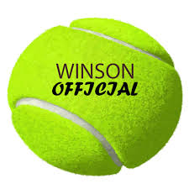
Tennis Ball
Marvellous Infosystems Training Data set of Balls
Weight | Pattern | Label
35 | Rough | Tennis
47 | Rough | Tennis
90 | Smooth | Cricket
48 | Rough | Tennis
90 | Smooth | Cricket
35 | Rough | Tennis
92 | Smooth | Cricket
Cricket Ball
35 | Rough | Tennis
35 | Rough | Tennis
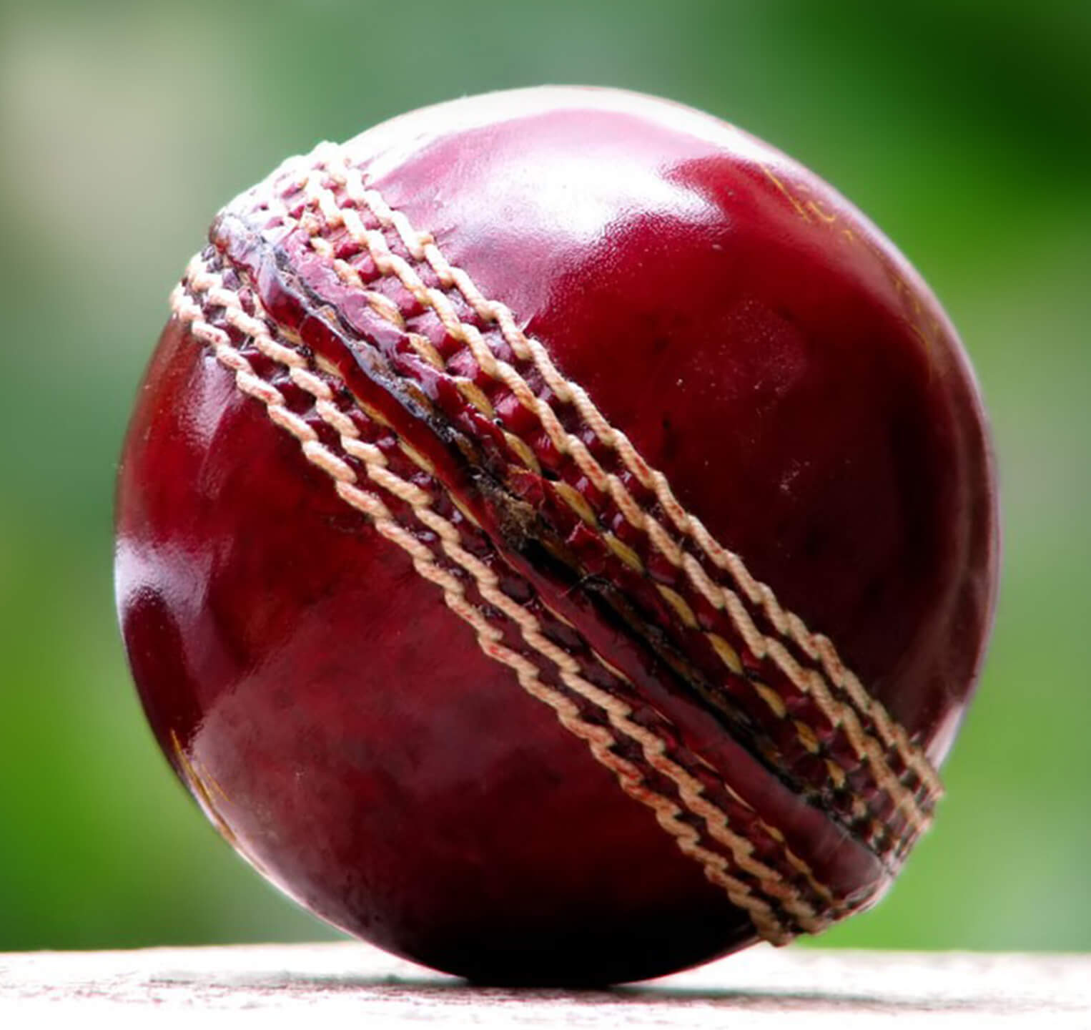
35 | Rough | Tennis
96 | Smooth | Cricket
43 | Rough | Tennis
110 | Smooth | Cricket
35 | Rough | Tennis
95 | Smooth | Cricket

